Sheet1
Product Name | Monarch Mart | TC Start Date |  |  | TC Execution start date |  |  |  |  | TEST CASE SUMMARY
Module Name | Log In | TC End Date |  |  | TC Execution End date |  |  |  |  | PASS | 18
Epic |  | Test Case Devloped By |  |  | Browser (tested) |  |  |  |  | FAIL | 1
Devloper Name |  | Test Case Reviewed By |  |  | Perfprmance (tested ) |  |  |  |  | WARNING | 0
Test Executed by |  |  |  |  |  |  |  |  |  | TOTAL | 19
#SI | Type of Testing | Test Case ID | Feature | Test Case Descreption | Pre-Condition | Step Descreption | Test Data | Expected Result | Actual Result |  |  | Bug Screen Shot | Dev Comments
1 | Functional Testing | TC01 | Check Hyperlinks | Check the all Hyperlinks | Need to adjust High contrast mode in the device | 1.Goto search box beside the windows logo 2. Turn on the high contrast mode 3. goto to the site | N/A | Should Go to the website | Go to the website | PASS |  | N/A
1 | Non Functional Testing | TC02 | User Interface | Check all the text boxes, buttons, etc | Need to adjust High contrast mode in the device | 1. Click on Textbox, buttons and dropdowns | N/A | UI should be perfect | there should be a line break between or and sign up with your Email | FAIL |  | 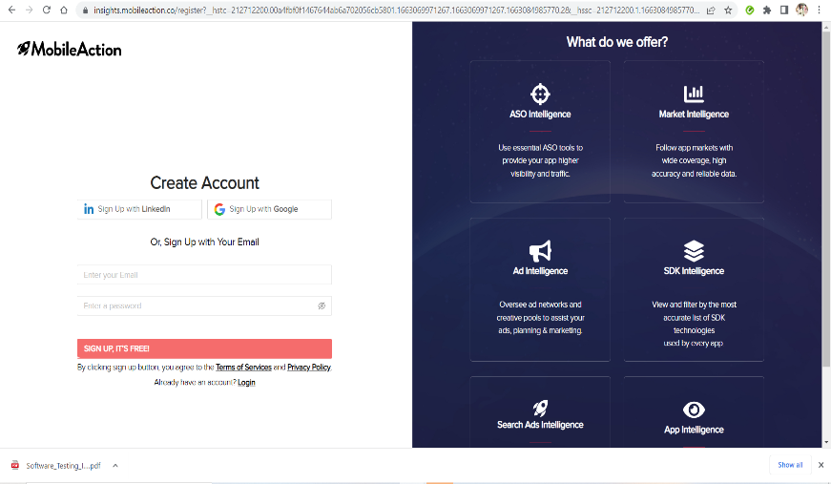 |  | 0
2 | Non Non Functional Testing | TC03 | Spelling Mistake or Gramatical mistake | Spelling Mistake or Gramatical mistake | Need to adjust High contrast mode in the device | 1.Check all the spelling | N/A | Text should be black in color and hyperlinks are also black | No spelling mistake or gramatical mistake | PASS
3 | Functional Testing | TC04 | Required Fields | Check the required fields by not filling any data | need to click the signup button | 1.Do not enter any value in the filed 2.click the Sign Up button | N/A | It should show Erron massages | It is showing Erron massages | PASS
4 | Functional Testing | TC05 | Required Fields | Check user should Sign UP by filling all the required fields | need to click the signup button | 1. Enter valid values in the required fields. 2. Click the Sign Up button. | 1.Sadia Meghla 2.01711223344 3.sadiameghlaa@gail.com 4.password 5.confrim password 6.Agree to the condition bar | 1. Users should be Sign Up successfully. 2. A successful Sign Up message should show. 3. Mail should send to the user | As Expected | PASS
5 |  | TC06 | Name | Check user should Sign UP by filling all the required field Name | need to click the signup button | 1. Enter a Valid Name 2.Click on the Sign Up button | Sadia Meghla | 1. Users should be Sign Up successfully. 2. A successful Sign Up message should show. | User successfully sign up | PASS
6 |  | TC07 | Name | Check user should Sign UP by filling all the required fields without the Name field | need to click the signup button | 1. Enter a 2.Click on the Sign Up button | 1.01711223344 2.sadiameghlaa@gail.com 3.password 4.confrim password 5.Agree to the condition ba | 1.It should show Erron massages | It is showing Erron massages | PASS
7 |  | TC08 | Phone Number | 1Check the phone number when passing alphanumeric data 2.Giving More then 11 digit | 1.Need to click the Sign Up Button 2.click the Phone Number test bar | 2. Click the Sign Up button. | 1.asdfg456734%^ 2.017112807665544 | It should show the validation message for Phone Number | It is showing Erron massages | PASS
8 |  | TC09 | Phone Number | Check the phone number when not pass country code | 1.Need to click the Sign Up Button 2.click the Phone Number test bar | 1. Enter valid phone number without country code 2.Click on Sign Up button | 1744112255 | It should show the validation message for country code is required | Showing the validation massage | PASS
9 |  |  | Phone Number | Check the phone number when passing country code | 1.Need to click the Sign Up Button 2.click the Phone Number task bar | 1. Enter valid phone number with country code 2.Click on Sign Up button | 8801711245677 | It should not show any validation message | Not showing validation massage | PASS
10 |  | TC10 | Email validation | 1.Check the Email text field that has an Email address without @ symbol. 2. Check the Email text field that has a random string instead of a real email. 3. Check the Email text field that has @ symbol written in words. 4.Check the Email text field that has a missing dot in the email address. 5.Check the Email that has space 6.check the Email That starting letter is capital letter | 1.Go to the website 2.Need to click the Sign Up Button 3.click the Email task bar | 1. Enter Invalid Emails 2. Click on the Register Button. | 1.sadiameghlagmail.com 2.sadiameghla%%^^@gmail.com 3.sadiameeghlaaAtgmail.com 4.sadiameghla@gmail 5.sadia meghla @ gmail 6.Sadiameghla@gmail.com | It should show the validation message for valid email | showing the validation massage | PASS
11 |  | TC11 | Email validation | Check all the valid emails | 1.Go to the website 2.Need to click the Sign Up Button 3.click the Email task bar | 1. Enter valid Emails 2. Click on the Register Button. | sadiameghla@gmail.com | It should not show any validation message | not showing validation massage | PASS
12 |  | TC12 | Password Validation | Check the password limit when enter value less than min | 1.Go to the website 2.Need to click the Sign Up Button 3.click the Password task bar | 1. Enter value which is alphanumeric but less than 6. 2.Click on Sign Up r button | Pass | It should show validation message | It is showing validation massages | PASS
13 |  | TC13 | Password Validation | Check the password limit when enter value greater than max | 1.Go to the website 2.Need to click the Sign Up Button 3.click the Password task bar | 1. Enter alphanumeric value but more than 6. 2.Click on Signup button | qweejklmnbvghbghsjbshnx | It should show validation message | showing the validation massage | PASS
14 |  | TC14 | Password Validation | Check the password when passing only numbers | 1.Go to the website 2.Need to click the Sign Up Button 3.click the Password task bar | 1. Enter value in numbers 2.Click on Sign Up button | 123456 | It should show validation message | Showing the validation massage | PASS
15 |  | TC15 | Password Validation | Check the password when passing valid data | 1.Go to the website 2.Need to click the Sign Up Button 3.click the Password task bar | 1. Enter value in alphanumeric 2.Click on Sign Up button | sadia12345 | It should not show any validation messag | Not showing validation massage | PASS
16 |  | TC16 | Password Validation | Check the password when passing valid data | 1.Go to the website 2.Need to click the Sign Up Button 3.click the Password task bar | 1. Enter value in just alphabatic 2.Click on Register button | sadiameghla | It should not show any validation messag | Not showing validation massage | PASS
17 |  | TC17 | Confrim Password Validation | Check the confrim password when passing another data | 1.Go to the website 2.Need to click the Sign Up Button 3.click the Confrim Password task bar | 1.Enter the incorrect password | saduytrea | It should show validation message | Showing the validation massage | PASS
18 |  | TC18 | Confrim Password Validation | Check the Confrim password when passing valid data | 1.Go to the website 2.Need to click the Sign Up Button 3.click the confrim Password task bar | 1.Enter the correct Password | sadiameghla | It should not show any validation messag | Not showing validation massage | PASS
19 |  | TC19 | Check Box
20 |  | TC20 | Check Box
21 |  | TC21 | Check Sign UP Verification | Check the Check Sign UP Verification process after passing wrong OTP | 1.Go to the website 2.Need to click the Sign Up Button 3.Fillup all the required value 4.click on the submit button | 1.Enter the wrong OTP | 123456 | The user is locked if the wrong verification code is entered many times. | User is locked after entering wrong verification code | PASS
22 |  | TC22 | Password Validation | Check the Check Sign UP Verification process after passing wrong OTP | 1.Go to the website 2.Need to click the Sign Up Button 3.Fillup all the required value 4.click on the submit button | 1.Enter the Right OTP | 678900 | user should Signup succesfully | Successfully SignUp | PASS
23 |  | TC23
24 |  | TC24
25

 |  | TC06

